Correlation matrix
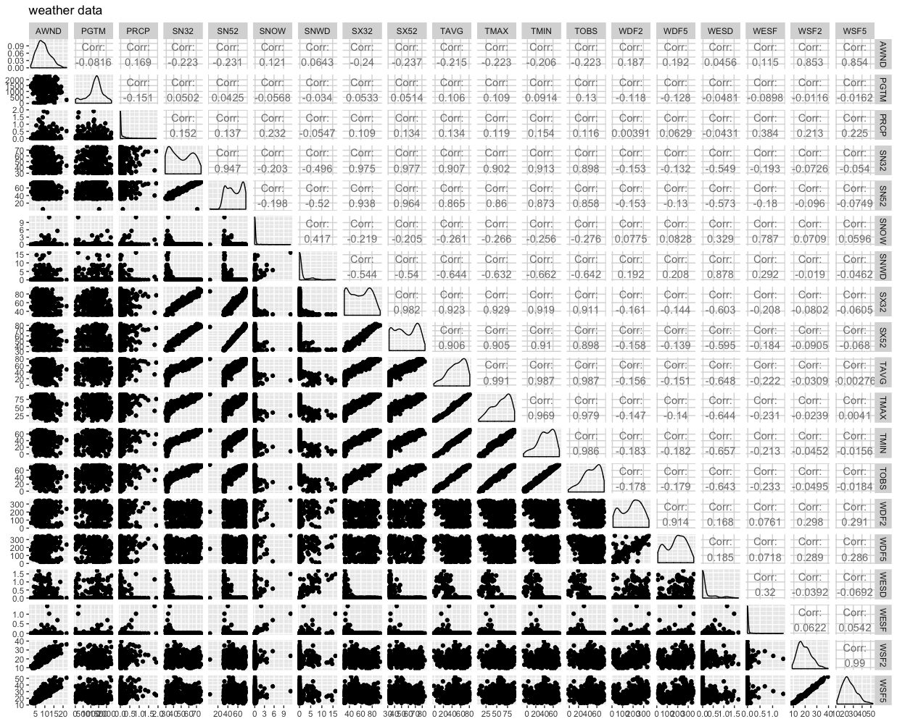
 | AWND | PGTM | PRCP | SN32 | SN52 | SNOW | SNWD | SX32 | SX52 | TAVG | TMAX | TMIN | TOBS | WDF2 | WDF5 | WESD | WESF | WSF2 | WSF5 | Fog | Heavy_fog | Thunder | Ice_pellets | Hail | Glaze | Haze | Blowing_snow | Tornado | Damaging_winds
AWND | 1.00
PGTM | -0.08 | 1.00
PRCP | 0.17 | -0.15 | 1.00
SN32 | -0.22 | 0.05 | 0.15 | 1.00
SN52 | -0.23 | 0.04 | 0.14 | 0.95 | 1.00
SNOW | 0.12 | -0.06 | 0.23 | -0.20 | -0.20 | 1.00
SNWD | 0.06 | -0.03 | -0.05 | -0.50 | -0.52 | 0.42 | 1.00
SX32 | -0.24 | 0.05 | 0.11 | 0.97 | 0.94 | -0.22 | -0.54 | 1.00
SX52 | -0.24 | 0.05 | 0.13 | 0.98 | 0.96 | -0.21 | -0.54 | 0.98 | 1.00
TAVG | -0.22 | 0.11 | 0.13 | 0.91 | 0.86 | -0.26 | -0.64 | 0.92 | 0.91 | 1.00
TMAX | -0.22 | 0.11 | 0.12 | 0.90 | 0.86 | -0.27 | -0.63 | 0.93 | 0.91 | 0.99 | 1.00
TMIN | -0.21 | 0.09 | 0.15 | 0.91 | 0.87 | -0.26 | -0.66 | 0.92 | 0.91 | 0.99 | 0.97 | 1.00
TOBS | -0.22 | 0.13 | 0.12 | 0.90 | 0.86 | -0.28 | -0.64 | 0.91 | 0.90 | 0.99 | 0.98 | 0.99 | 1.00
WDF2 | 0.19 | -0.12 | 0.00 | -0.15 | -0.15 | 0.08 | 0.19 | -0.16 | -0.16 | -0.16 | -0.15 | -0.18 | -0.18 | 1.00
WDF5 | 0.19 | -0.13 | 0.06 | -0.13 | -0.13 | 0.08 | 0.21 | -0.14 | -0.14 | -0.15 | -0.14 | -0.18 | -0.18 | 0.91 | 1.00
WESD | 0.05 | -0.05 | -0.04 | -0.55 | -0.57 | 0.33 | 0.88 | -0.60 | -0.60 | -0.65 | -0.64 | -0.66 | -0.64 | 0.17 | 0.18 | 1.00
WESF | 0.12 | -0.09 | 0.38 | -0.19 | -0.18 | 0.79 | 0.29 | -0.21 | -0.18 | -0.22 | -0.23 | -0.21 | -0.23 | 0.08 | 0.07 | 0.32 | 1.00
WSF2 | 0.85 | -0.01 | 0.21 | -0.07 | -0.10 | 0.07 | -0.02 | -0.08 | -0.09 | -0.03 | -0.02 | -0.05 | -0.05 | 0.30 | 0.29 | -0.04 | 0.06 | 1.00
WSF5 | 0.85 | -0.02 | 0.23 | -0.05 | -0.07 | 0.06 | -0.05 | -0.06 | -0.07 | 0.00 | 0.00 | -0.02 | -0.02 | 0.29 | 0.29 | -0.07 | 0.05 | 0.99 | 1.00
Fog | -0.01 | 0.10 | 0.25 | 0.00 | -0.01 | 0.12 | -0.03 | -0.03 | -0.02 | 0.07 | 0.05 | 0.11 | 0.11 | -0.12 | -0.11 | -0.03 | 0.12 | 0.02 | 0.03 | 1.00
Heavy_fog | -0.02 | 0.08 | 0.08 | -0.09 | -0.10 | 0.14 | 0.04 | -0.11 | -0.11 | -0.06 | -0.06 | -0.04 | -0.04 | -0.05 | -0.06 | 0.02 | 0.12 | 0.02 | 0.02 | 0.22 | 1.00
Thunder | 0.00 | 0.02 | 0.42 | 0.41 | 0.37 | -0.08 | -0.19 | 0.39 | 0.38 | 0.40 | 0.40 | 0.40 | 0.40 | 0.10 | 0.11 | -0.21 | -0.08 | 0.25 | 0.24 | 0.22 | 0.07 | 1.00
Ice_pellets | 0.07 | 0.00 | 0.12 | -0.16 | -0.15 | 0.07 | 0.03 | -0.17 | -0.15 | -0.13 | -0.15 | -0.11 | -0.11 | -0.07 | -0.07 | 0.10 | 0.31 | 0.02 | 0.01 | 0.14 | -0.03 | -0.06 | 1.00
Hail | 0.05 | 0.01 | 0.04 | 0.08 | 0.06 | -0.02 | -0.04 | 0.07 | 0.07 | 0.10 | 0.10 | 0.09 | 0.09 | 0.08 | 0.08 | -0.05 | -0.02 | 0.10 | 0.10 | 0.00 | 0.10 | 0.23 | -0.01 | 1.00
Glaze | 0.02 | 0.00 | -0.03 | -0.23 | -0.23 | 0.02 | 0.07 | -0.24 | -0.24 | -0.19 | -0.21 | -0.18 | -0.18 | -0.07 | -0.11 | 0.15 | 0.07 | 0.00 | -0.01 | 0.11 | -0.04 | -0.09 | 0.49 | -0.02 | 1.00
Haze | -0.04 | 0.10 | -0.13 | -0.03 | -0.03 | -0.01 | 0.01 | -0.03 | -0.03 | -0.01 | -0.01 | -0.01 | -0.01 | 0.09 | 0.08 | 0.02 | -0.02 | -0.04 | -0.05 | 0.22 | 0.11 | -0.02 | 0.01 | 0.12 | -0.02 | 1.00
Blowing_snow | 0.23 | -0.03 | 0.13 | -0.20 | -0.20 | 0.62 | 0.28 | -0.21 | -0.21 | -0.27 | -0.27 | -0.29 | -0.30 | 0.13 | 0.13 | 0.23 | 0.48 | 0.20 | 0.18 | 0.05 | 0.13 | -0.07 | -0.02 | -0.02 | 0.06 | 0.11 | 1.00
Tornado | -0.04 | 0.07 | 0.06 | 0.06 | 0.06 | 0.01 | -0.02 | 0.05 | 0.06 | 0.06 | 0.06 | 0.07 | 0.07 | 0.09 | 0.09 | -0.02 | -0.01 | 0.00 | -0.01 | 0.05 | -0.01 | 0.11 | -0.01 | -0.01 | -0.01 | -0.03 | -0.01 | 1.00
Damaging_winds | 0.15 | -0.03 | 0.10 | 0.06 | 0.05 | -0.02 | -0.05 | 0.05 | 0.05 | 0.06 | 0.06 | 0.06 | 0.05 | 0.04 | 0.05 | -0.05 | -0.02 | 0.22 | 0.23 | 0.02 | 0.09 | 0.13 | -0.02 | 0.21 | -0.02 | -0.02 | -0.02 | -0.01 | 1.00

